Hoja
Brand | Photo | Code | Descrption | Col | Code | Cod | Size | Qty | Whl | Retail | Tot Retail
ELISABETTA FRANCHI | 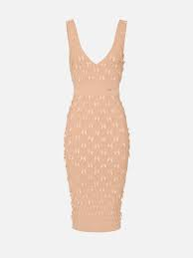 | AM79S52E2 | Vestido | urro | 1200250023PER36 | PER | 36 | 1 | 275 € | 715 € | 715 €
ELISABETTA FRANCHI | 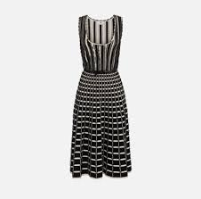 | AM49S51E2 PRE | Vestido | orio | 1200250021AML34 | AML | 34 | 1 | 275 € | 715 € | 715 €
ELISABETTA FRANCHI |  | AM49S51E2 PRE | Vestido | orio | 1200250021AML36 | AML | 36 | 1 | 275 € | 715 € | 715 €
ELISABETTA FRANCHI |  | CA12552E2 | Blusa | urro | 0455250019BJS40 | BJS | 40 | 1 | 135 € | 351 € | 351 €
ELISABETTA FRANCHI | 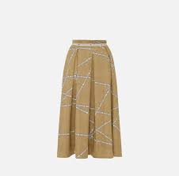 | GO11452E2 | Saia | urro | 1310250017BJS36 | BJS | 36 | 1 | 158 € | 411 € | 411 €
ELISABETTA FRANCHI |  | GO11452E2 | Saia | urro | 1310250017BJS38 | BJS | 38 | 1 | 158 € | 411 € | 411 €
ELISABETTA FRANCHI |  | GO11452E2 | Saia | urro | 1310250017BJS40 | BJS | 40 | 1 | 158 € | 411 € | 411 €
MARELLA |  | ARABO 3111104102 | Camisa | 004 | 0400248016AML44 | AML | 44 | 1 | 70 € | 183 € | 183 €
MARELLA |  | AMERIGO 3131053502 | Calça | 003 | 0700246076BJE44 | BJE | 44 | 1 | 53 € | 137 € | 137 €
MARELLA | 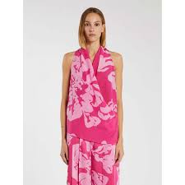 | SETA 3166054102 | Blusa | 001 | 0455248251RSF42 | RSF | 42 | 1 | 67 € | 175 € | 175 €
MARELLA |  | RECENT 3196044102 | Casaco | 001 | 1000248107RSF40 | RSF | 40 | 1 | 97 € | 251 € | 251 €
MARELLA |  | RECENT 3196044102 | Casaco | 001 | 1000248107RSF42 | RSF | 42 | 1 | 97 € | 251 € | 251 €
MARELLA | 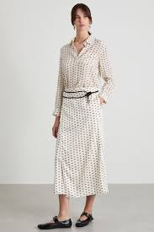 | NATANTE 3116174102 | Blusa | 004 | 0455248249PER46 | PER | 46 | 1 | 84 € | 219 € | 219 €
MARELLA | 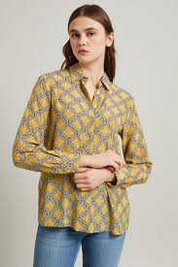 | GOCCIA 3111084102 | Camisa | 006 | 0400248022VRD42 | VRD | 42 | 1 | 83 € | 215 € | 215 €
MARELLA |  | GOCCIA 3111084102 | Camisa | 006 | 0400248022VRD44 | VRD | 44 | 1 | 83 € | 215 € | 215 €
MARELLA |  | RESINA 3226184102 | Vestido | 002 | 1200248390RSF46 | RSF | 46 | 1 | 84 € | 219 € | 219 €
MARELLA |  | ROBINIA 3221144102 | Vestido | 002 | 1200248032VRD44 | VRD | 44 | 1 | 104 € | 269 € | 269 €
MARELLA |  | ROBINIA 3221144102 | Vestido | 002 | 1200248032VRD42 | VRD | 42 | 1 | 104 € | 269 € | 269 €
MARELLA | 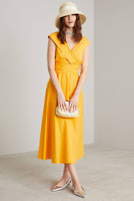 | GALIZIA 3221214202 | Vestido | 003 | 1200248024LJA42 | LJA | 42 | 1 | 100 € | 259 € | 259 €
MARELLA | 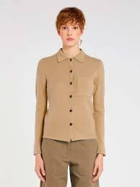 | NUVOLA 3341035202 | Casaco Malha | 001 | 0320250026AMLS | AML | S | 1 | 127 € | 330 € | 330 €
MARELLA |  | NUVOLA 3341035202 | Casaco Malha | 001 | 0320250026AMLL | AML | L | 1 | 127 € | 330 € | 330 €
MARELLA | 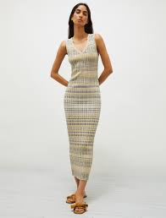 | ENZIANA 3321055202 | Vestido | 001 | 1200250088AMLL | AML | L | 1 | 105 € | 273 € | 273 €
MARELLA |  | ENZIANA 3321055202 | Vestido | 001 | 1200250088AMLM | AML | M | 1 | 105 € | 273 € | 273 €
MARELLA |  | ENZIANA 3321055202 | Vestido | 001 | 1200250088AMLXL | AML | XL | 1 | 105 € | 273 € | 273 €
MARELLA | 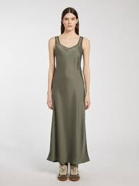 | RADIANT 3221024402 | Vestido | 005 | 1200248031AML40 | AML | 40 | 1 | 108 € | 280 € | 280 €
MARELLA |  | OZIERI 3221344202 | Vestido | 002 | 1200248030CTO44 | CTO | 44 | 1 | 108 € | 280 € | 280 €
MARELLA |  | OZIERI 3221344202 | Vestido | 002 | 1200248030CTO42 | CTO | 42 | 1 | 108 € | 280 € | 280 €
MARELLA |  | OZIERI 3221344202 | Vestido | 002 | 1200248030CTO46 | CTO | 46 | 1 | 108 € | 280 € | 280 €
MARELLA |  | OZIERI 3221344202 | Vestido | 002 | 1200248030CTO48 | CTO | 48 | 1 | 108 € | 280 € | 280 €
MARELLA |  | DEMIEN1 3116114202 | Camisola | 003 | 0360248180LIL46 | LIL | 46 | 1 | 60 € | 155 € | 155 €
MARELLA |  | FINE 3131144402 | Calça | 001 | 0700248044BJE40 | BJE | 40 | 1 | 65 € | 170 € | 170 €
MARELLA | 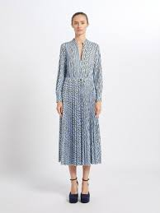 | EMANUEL 3621044102 | Vesido jersey | 001 | 1211248006TIJS | TIJ | S | 1 | 79 € | 206 € | 206 €
MARELLA | 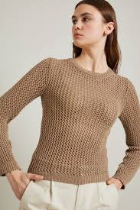 | VITE 3941044502 | Camisola | 004 | 0360248027BJEXL | BJE | XL | 1 | 65 € | 168 € | 168 €
MARELLA |  | RIARSO 3136224102 | Calça | 002 | 0700248421RSF40 | RSF | 40 | 1 | 84 € | 219 € | 219 €
MARELLA |  | ROBERT 3136054302 | Calça | 001 | 0700248423BRN44 | BRN | 44 | 1 | 84 € | 219 € | 219 €
MARELLA |  | ROBERT 3136054302 | Calça | 001 | 0700248423BRN42 | BRN | 42 | 1 | 84 € | 219 € | 219 €
MARELLA |  | FINE 3131144402 | Calça | 001 | 0700248044BJE44 | BJE | 44 | 1 | 65 € | 170 € | 170 €
MARELLA |  | RIBELLE 3131134402 | Calça | 005 | 0700248056AML42 | AML | 42 | 1 | 70 € | 181 € | 181 €
MARELLA |  | RIBELLE 3131134402 | Calça | 005 | 0700248056AML40 | AML | 40 | 1 | 70 € | 181 € | 181 €
MARELLA |  | FINE 3131144402 | Calça | 001 | 0700248044BJE42 | BJE | 42 | 1 | 65 € | 170 € | 170 €
MARELLA | 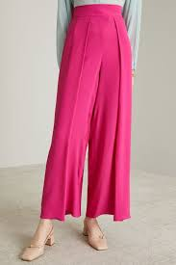 | RANGO 3131014202 | Calça | 004 | 0700248055RSA42 | RSA | 42 | 1 | 79 € | 206 € | 206 €
MARELLA |  | NUMITOR 6526097502 | Sapatos | 004 | 2002234050PRT39 | PRT | 39 | 1 | 68 € | 177 € | 177 €
MARELLA |  | LUCIANA 3911024102 | Blazer jersey | 001 | 0920248017TIJL | TIJ | L | 1 | 99 € | 257 € | 257 €
MARELLA |  | LUCIANA 3911024102 | Blazer jersey | 001 | 0920248017TIJM | TIJ | M | 1 | 99 € | 257 € | 257 €
MARELLA |  | NUMITOR 6526097502 | Sapatos | 004 | 2002234050PRT39 | PRT | 39 | 1 | 68 € | 177 € | 177 €
MAXMARA 1U | 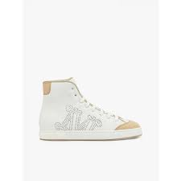 | TABEI 4761112606 | Sapatilhas | 001 | 2020244003BRN38 | BRN | 38 | 1 | 186 € | 483 € | 483 €
MAXMARA 1U |  | TABEI 4761112606 | Sapatilhas | 001 | 2020244003BRNYE | BRN | YE | 1 | 186 € | 483 € | 483 €
MAXMARA 1U |  | TABEI 4761112606 | Sapatilhas | 001 | 2020244003BRNYC | BRN | YC | 1 | 186 € | 483 € | 483 €
MAXMARA 1U |  | TABEI 4761112606 | Sapatilhas | 001 | 2020244003BRN37 | BRN | 37 | 1 | 186 € | 483 € | 483 €
MAXMARA 1U |  | MAG 4521193606 | Sapatos | 010 | 2001246003CTO37 | CTO | 37 | 1 | 200 € | 519 € | 519 €
MAXMARA 1U |  | PIT 4521053606 | Sapatos | 005 | 2001246004RSC38 | RSC | 38 | 1 | 160 € | 416 € | 416 €
MAXMARA 1U |  | PASTE 1911023106 | Blazer | 001 | 0920246003MAR46 | MAR | 46 | 1 | 328 € | 852 € | 852 €
MAXMARA 1U |  | NEPETA 1131084106 | Calça | 008 | 0700248014BRN40 | BRN | 40 | 1 | 166 € | 432 € | 432 €
MAXMARA 1U |  | NEPETA 1131084106 | Calça | 008 | 0700248014BRN38 | BRN | 38 | 1 | 166 € | 432 € | 432 €
MAXMARA 1U |  | NEPETA 1131013106 | Calça | 008 | 0700246005PER40 | PER | 40 | 1 | 146 € | 380 € | 380 €
MAXMARA 1U |  | RIBER 1621033106 | Vestido jersey | 001 | 1201246001PRT44 | PRT | 44 | 1 | 145 € | 378 € | 378 €
MAXMARA 1U |  | RIBER 1621033106 | Vestido jersey | 001 | 1201246001PRT42 | PRT | 42 | 1 | 145 € | 378 € | 378 €
MAXMARA 1U |  | GERARD 1946012906 | T_shirt | 009 | 0430244237AZCS | AZC | S | 1 | 75 € | 195 € | 195 €
MAXMARA 1U |  | ALOESJ 4541083606 | Lenço | 011 | 1820246006MARUN | MAR | UN | 1 | 80 € | 209 € | 209 €
MAXMARA 1U |  | MACARIO 1131011106 | Calça larga |  | 0700242079BRN42 | BRN | 42 | 1 | 158 € | 411 € | 411 €
MAXMARA 1U | 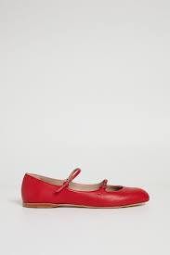 | CIRCUS 4526014106 | Sapatos | 062 | 2002248013BJE39 | BJE | 39 | 1 | 180 € | 468 € | 468 €
MAXMARA 1U |  | CIRCUS 4526014106 | Sapatos | 062 | 2002248013BJE39 | BJE | 39 | 1 | 180 € | 468 € | 468 €
MAXMARA 1U |  | TABEI | Sapatos | 001 | 2001244003BRN39 | BRN | 39 | 1 | 135 € | 351 € | 351 €
MAXMARA 1U | 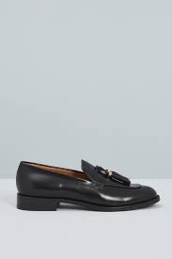 | VMENLOAFER 4528033706 | Sapatos | 006 | 2002246004PRT39 | PRT | 39 | 1 | 176 € | 457 € | 457 €
MAXMARA 1U |  | VMENLOAFER 4528033706 | Sapatos | 006 | 2002246004PRT39 | PRT | 39 | 1 | 176 € | 457 € | 457 €
MAXMARA 1U | 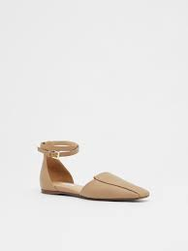 | FLOREN 4521232606 | Sapatos | 005 | 2001244017PRT39 | PRT | 39 | 1 | 172 € | 447 € | 447 €
MAXMARA 1U |  | FLOREN 4521232606 | Sapatos | 005 | 2001244017PRT39 | PRT | 39 | 1 | 172 € | 447 € | 447 €
MAXMARA 2U | 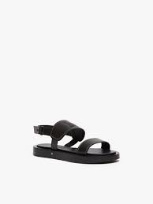 | DIANA 4521313106 | Sandalias | 001 | 2010246058CTOYE | CTO | YE | 1 | 212 € | 550 € | 550 €
MAXMARA 2U |  | DIANA 4521313106 | Sandalias | 001 | 2010246058CTO36 | CTO | 36 | 1 | 212 € | 550 € | 550 €
MAXMARA 2U |  | CHARME 1771015206 | Saia | 005 | 1310250077PRT40 | PRT | 40 | 1 | 104 € | 270 € | 270 €
MAXMARA 2U | 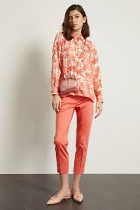 | LINCE 1131093206 | Calça | 013 | 0700246158VRD40 | VRD | 40 | 1 | 115 € | 300 € | 300 €
MAXMARA 2U |  | LINCE 1131093206 | Calça | 013 | 0700246158VRD46 | VRD | 46 | 1 | 115 € | 300 € | 300 €
MAXMARA 2U | 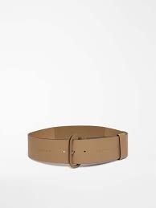 | LEA 1501012206 | Cinto | 002 | 1751244003CTOS | CTO | S | 1 | 73 € | 190 € | 190 €
MAXMARA DESFILE |  | LAMPARA 1131373806 | Calça | 001 | 0700246207BRN40 | BRN | 40 | 1 | 179 € | 466 € | 466 €
MM STUDIO 1U |  | OVALE 6951022706 | Camisa | 001 | 0400244434PERL | PER | L | 1 | 67 € | 174 € | 174 €
MM STUDIO 1U |  | ROSETTA 6041133706 | Blazer | 031 | 0920246026VRD42 | VRD | 42 | 1 | 184 € | 478 € | 478 €
MM STUDIO 1U |  | GARIAN 6181012706 | Calça denim | 007 | 0730244002MAR42 | MAR | 42 | 1 | 63 € | 163 € | 163 €
MM STUDIO 1U |  | OVALE 6951022706 | Camisa | 001 | 0400244434PERM | PER | M | 1 | 67 € | 174 € | 174 €
MM STUDIO 1U |  | OVALE 6951022706 | Camisa | 001 | 0400244434PERM | PER | M | 1 | 67 € | 174 € | 174 €
MM STUDIO 1U | 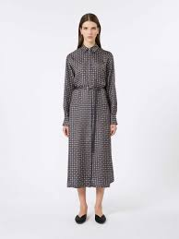 | CAMPO 6226022906 | Vestido | 074 | 1200244542BOR44 | BOR | 44 | 1 | 205 € | 532 € | 532 €
MM STUDIO 1U |  | CAMPO 6226022906 | Vestido | 074 | 1200244542BOR42 | BOR | 42 | 1 | 205 € | 532 € | 532 €
MM STUDIO 1U |  | MENTIN 6946032906 | T-shirt c/manga | 005 | 0433244102PRTM | PRT | M | 1 | 37 € | 97 € | 97 €
MM STUDIO 1U |  | MENTIN 6946032906 | T-shirt c/manga | 005 | 0433244102PRTM | PRT | M | 1 | 37 € | 97 € | 97 €
MM STUDIO 1U |  | MENTIN 6946032906 | T-shirt c/manga | 005 | 0433244102PRTL | PRT | L | 1 | 37 € | 97 € | 97 €
MM STUDIO 1U |  | MENTIN 6946032906 | T-shirt c/manga | 005 | 0433244102PRTM | PRT | M | 1 | 37 € | 97 € | 97 €
MM STUDIO 1U |  | MENTIN 6946032906 | T-shirt c/manga | 005 | 0433244102PRTL | PRT | L | 1 | 37 € | 97 € | 97 €
MM STUDIO 1U |  | MENTIN 6946032906 | T-shirt c/manga | 005 | 0433244102PRTM | PRT | M | 1 | 37 € | 97 € | 97 €
MM STUDIO 1U | 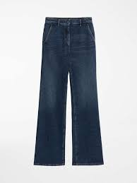 | GARIAN 6181012706 | Calça denim | 007 | 0730244002MAR48 | MAR | 48 | 1 | 64 € | 165 € | 165 €
MM STUDIO 1U | 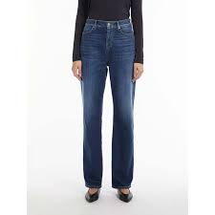 | GAIA 6186022906 | Calça denim | 004 | 0730244132MAR40 | MAR | 40 | 1 | 61 € | 159 € | 159 €
MM STUDIO 1U |  | JERTA 6131039706 | Calça | 017 | 0700238026RSC36 | RSC | 36 | 1 | 82 € | 213 € | 213 €
MM STUDIO 1U |  | JERTA 6131039706 | Calça | 017 | 0700238026RSC44 | RSC | 44 | 1 | 82 € | 212 € | 212 €
MM STUDIO 1U |  | JERTA 6131039706 | Calça | 017 | 0700238026RSC38 | RSC | 38 | 1 | 82 € | 213 € | 213 €
MM STUDIO 2U |  | BOZEN 6786024206 | Calça | 001 | 0700248788PRT42 | PRT | 42 | 1 | 82 € | 212 € | 212 €
MM STUDIO 2U | 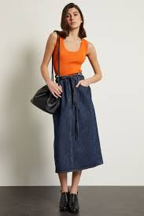 | PANDA 6361063106 | Top | 002 | 0431246049VMLM | VML | M | 1 | 75 € | 195 € | 195 €
MM STUDIO 2U | 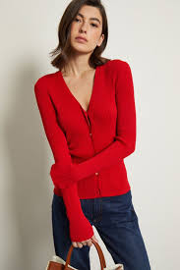 | OCEANIA 6341043106 | Vestido | 006 | 1200246238LJAS | LJA | S | 1 | 117 € | 303 € | 303 €
MM STUDIO 2U |  | EPSILON 6236012306 | Vestido + 1pc | 076 | 1200244722KAK42 | KAK | 42 | 1 | 245 € | 637 € | 637 €
MM STUDIO 2U |  | PATRONI 6131048106 | Calça | 015 | 0700236047CTO44 | CTO | 44 | 1 | 75 € | 196 € | 196 €
MM STUDIO 2U |  | PATRONI 6131048106 | Calça | 015 | 0700236047CTO46 | CTO | 46 | 1 | 75 € | 196 € | 196 €
MM STUDIO 2U | 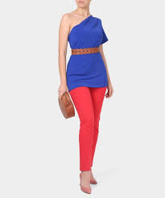 | NICHEL 6131031106 | Calça |  | 0700242176VML40 | VML | 40 | 1 | 84 € | 219 € | 219 €
PINKO | 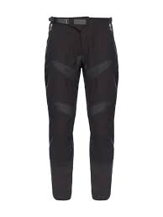 | 103147 A1MX | Calça | Z99 | 0700248488PRT38 | PRT | 38 | 1 | 146 € | 380 € | 380 €
PINKO | 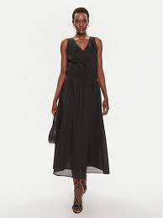 | 103740 A1XN BEGINNERS | Vestido BEGINNERS | Z99 | 1200248139PRT42 | PRT | 42 | 1 | 109 € | 283 € | 283 €
PINKO |  | 103740 A1XN BEGINNERS | Vestido BEGINNERS | Z99 | 1200248139PRT46 | PRT | 46 | 1 | 109 € | 283 € | 283 €
PINKO |  | 103740 A1XN BEGINNERS | Vestido BEGINNERS | Z99 | 1200248139PRT44 | PRT | 44 | 1 | 109 € | 283 € | 283 €
PINKO | 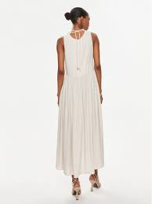 | 103562 A1WU NEMESI | Vestido NEMESI | E68 | 1200248137VRD44 | VRD | 44 | 1 | 106 € | 276 € | 276 €
PINKO | 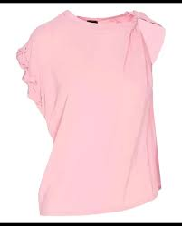 | 103085 A1NI TINDARO | Blusa TINDARO | N98 | 0455248078VIOS | VIO | S | 1 | 87 € | 226 € | 226 €
PINKO | 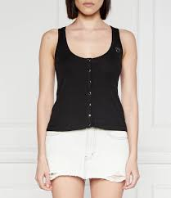 | 103572 A1X4 DOGVILLE | Top DOGVILLE | E55 | 0431248037AZCS | AZC | S | 1 | 35 € | 91 € | 91 €
PINKO | 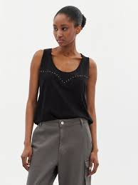 | 103729 A1XR DUPLICITY | Top DUPLICITY | Z05 | 0431248039BRNS | BRN | S | 1 | 35 € | 91 € | 91 €
PINKO |  | 103729 A1XR DUPLICITY | Top DUPLICITY | Z05 | 0431248039BRNM | BRN | M | 1 | 35 € | 91 € | 91 €
PINKO | 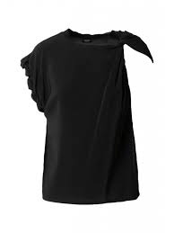 | 103085 A1NI TINDARO | Blusa TINDARO | N98 | 0455248078VIOM | VIO | M | 1 | 87 € | 226 € | 226 €
PINKO |  | 103572 A1X4 DOGVILLE | Top DOGVILLE | E55 | 0431248037AZCM | AZC | M | 1 | 35 € | 91 € | 91 €
S MAXMARA 1U |  | TOTEM 9131143106 | Calça | 033 | 0700246073AML40 | AML | 40 | 1 | 87 € | 226 € | 226 €
SPORTMAX 1U |  | PETER 2781013706 | Calça | 003 | 0700246034PRTL | PRT | L | 1 | 123 € | 320 € | 320 €
SPORTMAX 1U |  | COBEA 2191044106 | Camisa | 001 | 0400248008BRN42 | BRN | 42 | 1 | 90 € | 233 € | 233 €
SPORTMAX 2U | 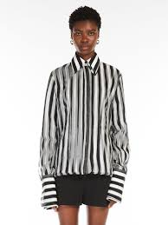 | SUMERO 2111045206 | Camisa | 003 | 0400250079PRT42 | PRT | 42 | 1 | 267 € | 695 € | 695 €
SPORTMAX 2U |  | WILLIAM 2221133106 | Vestido | 001 | 1200246222BRN42 | BRN | 42 | 1 | 165 € | 428 € | 428 €
SPORTMAX 2U |  | WILLIAM 2221133106 | Vestido | 001 | 1200246222BRN40 | BRN | 40 | 1 | 165 € | 428 € | 428 €
SPORTMAX DENIM |  | MESSINA 7181052706 | Calça denim | 005 | 0730244006MAR27 | MAR | 27 | 1 | 74 € | 192 € | 192 €
SPORTMAX DENIM | 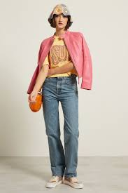 | GIUGNO 7181073706 | Calça denim | 005 | 0730246003MAR27 | MAR | 27 | 1 | 94 € | 245 € | 245 €
SPORTMAX DENIM |  | GIUGNO 7181073706 | Calça denim | 005 | 0730246003MAR26 | MAR | 26 | 1 | 94 € | 245 € | 245 €
TWIN SET | 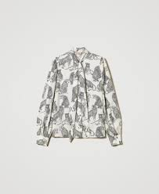 | 242TP2230 | Blusa | 1746 | 0455248277BRP38 | BRP | 38 | 1 | 115 € | 300 € | 300 €
TWIN SET | 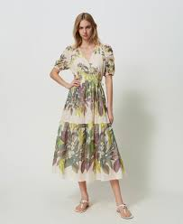 | 241TT2441 | Vestido | 1687 | 1200248176UNI40 | UNI | 40 | 1 | 150 € | 391 € | 391 €
TWIN SET |  | 241TT2441 | Vestido | 1687 | 1200248176UNI42 | UNI | 42 | 1 | 150 € | 391 € | 391 €
TWIN SET | 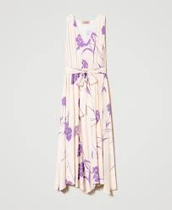 | 241TP2603 | Vestido | 1450 | 1200248171PER40 | PER | 40 | 1 | 130 € | 338 € | 338 €
TWIN SET | 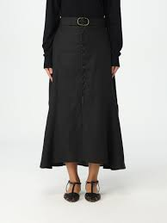 | 241TP2523 | Saia | 1130 | 1310248045BJE46 | BJE | 46 | 1 | 99 € | 257 € | 257 €
TWIN SET |  | 241TP3591 | Camisola Dec.Rente | 450 | 0360248613LILS | LIL | S | 1 | 74 € | 192 € | 192 €
TWIN SET |  | 241TP3591 | Camisola Dec.Rente | 450 | 0360248613LILM | LIL | M | 1 | 74 € | 192 € | 192 €
TWIN SET |  | 241TP3591 | Camisola Dec.Rente | 450 | 0360248613LILL | LIL | L | 1 | 74 € | 192 € | 192 €
TWIN SET | 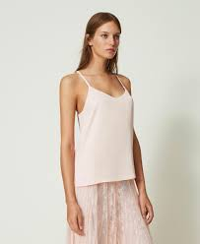 | 241TP2503 | Top | 0802 | 0431248057RSA40 | RSA | 40 | 1 | 47 € | 121 € | 121 €
TWIN SET |  | 241TP2503 | Top | 0802 | 0431248057RSA36 | RSA | 36 | 1 | 47 € | 121 € | 121 €
TWIN SET |  | 241TP2503 | Top | 0282 | 0431248057PER38 | PER | 38 | 1 | 47 € | 121 € | 121 €
TWIN SET |  | 241TP2503 | Top | 0802 | 0431248057RSA38 | RSA | 38 | 1 | 47 € | 121 € | 121 €
TWIN SET |  | 241TP2603 | Vestido | 1450 | 1200248171PER38 | PER | 38 | 1 | 130 € | 338 € | 338 €
WEEKEND 1U |  | VISIVO 5131045106 | Calça | 006 | 0700250008VRC44 | VRC | 44 | 1 | 81 € | 212 € | 212 €
WEEKEND 1U |  | OCEANO 5366034106 | Blusa | 005 | 0455248173VRDXL | VRD | XL | 1 | 76 € | 197 € | 197 €
WEEKEND 1U |  | ZIBETTO 5361014106 | Camisola | 002 | 0360248008PERL | PER | L | 1 | 59 € | 154 € | 154 €
WEEKEND 1U |  | NERVOSO 5041043706 | Blazer | 006 | 0920246020VRD44 | VRD | 44 | 1 | 149 € | 386 € | 386 €
WEEKEND 1U | 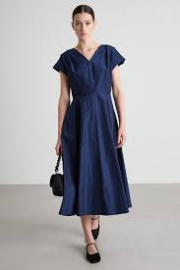 | ETUANIA 5226064106 | Vestido | 015 | 1200248261AZL42 | AZL | 42 | 1 | 119 € | 309 € | 309 €
WEEKEND 1U |  | ETUANIA 5226064106 | Vestido | 015 | 1200248261AZL36 | AZL | 36 | 1 | 119 € | 309 € | 309 €
WEEKEND 1U |  | ETUANIA 5226064106 | Vestido | 015 | 1200248261AZL38 | AZL | 38 | 1 | 119 € | 309 € | 309 €
WEEKEND 1U |  | VISIVO 5131093706 | Calça | 004 | 0700246060RSA42 | RSA | 42 | 1 | 80 € | 207 € | 207 €
WEEKEND 1U |  | VISIVO 5131045106 | Calça | 006 | 0700250008VRC42 | VRC | 42 | 1 | 81 € | 212 € | 212 €
WEEKEND 1U |  | NAZIONE 5366074106 | Top | 001 | 0431248096BRNS | BRN | S | 1 | 55 € | 142 € | 142 €
WEEKEND 1U |  | ABBOZZI 5366164106 | Camisola | 003 | 0360248166MARS | MAR | S | 1 | 109 € | 284 € | 284 €
WEEKEND 1U |  | DOVERE 5346044106 | Casaco Malha | 003 | 0320248081MARL | MAR | L | 1 | 118 € | 306 € | 306 €
WEEKEND 1U |  | DOVERE 5346044106 | Casaco Malha | 003 | 0320248081MARM | MAR | M | 1 | 118 € | 306 € | 306 €
WEEKEND 1U |  | DOVERE 5346044106 | Casaco Malha | 003 | 0320248081MARS | MAR | S | 1 | 118 € | 306 € | 306 €
WEEKEND 1U |  | DOVERE 5346044106 | Casaco Malha | 003 | 0320248081MARS | MAR | S | 1 | 118 € | 306 € | 306 €
WEEKEND 1U | 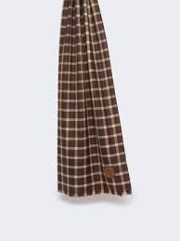 | PORFIDO 5541074406 | Lenço | 001 | 1820248005BJEUN | BJE | UN | 1 | 55 € | 143 € | 143 €
WEEKEND 1U | 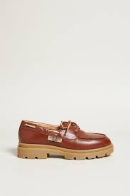 | PERAK 5521034406 | Sapatos | 002 | 2002248002CTO36 | CTO | 36 | 1 | 118 € | 307 € | 307 €
WEEKEND 1U | 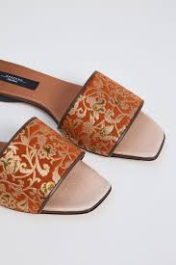 | CORVINO 5526214406 | Chinelos | 001 | 2050248001CML36 | CML | 36 | 1 | 152 € | 394 € | 394 €
WEEKEND 1U | 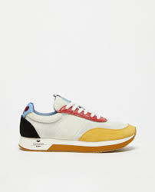 | RARO 5766013206 | Sapatilhas | 002 | 2020246195CML39 | CML | 39 | 1 | 76 € | 197 € | 197 €
WEEKEND 1U | 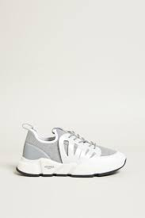 | FAGGIOJERSEY 5761054406 | Sapatilhas | 001 | 2020248001CZA39 | CZA | 39 | 1 | 110 € | 285 € | 285 €
WEEKEND 1U |  | ORTISEI 5181073706 | Calça denim | 009 | 0730246014MAR44 | MAR | 44 | 1 | 64 € | 165 € | 165 €
WEEKEND 1U | 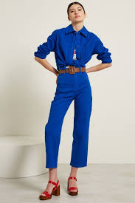 | ELAM 5131063706 | Calça | 002 | 0700246101BRN38 | BRN | 38 | 1 | 64 € | 167 € | 167 €
WEEKEND 1U |  | VITE 5131043706 | Calça | 025 | 0700246104PER38 | PER | 38 | 1 | 63 € | 163 € | 163 €
WEEKEND 1U |  | RANA 5131013706 | Calça | 030 | 0700246058LJA42 | LJA | 42 | 1 | 63 € | 163 € | 163 €
WEEKEND 1U |  | RANA 5131013706 | Calça | 003 | 0700246058AZC38 | AZC | 38 | 1 | 63 € | 163 € | 163 €
WEEKEND 1U |  | ORTISEI 5181073706 | Calça Ganga | 009 | 0730246014MAR38 | MAR | 38 | 1 | 64 € | 165 € | 165 €
WEEKEND 1U | 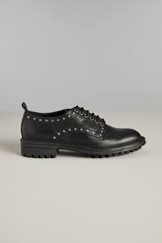 | VABAZIA 5528072206 | Sapatos | 001 | 2001244119PRT39 | PRT | 39 | 1 | 70 € | 183 € | 183 €
WEEKEND 2U |  | RENATA 5751063406 | Colar | 003 | 3320046002RSAUN | RSA | UN | 1 | 51 € | 132 € | 132 €
WEEKEND 2U | 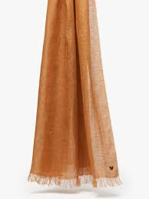 | SION2 5541104506 | Echarpe | 002 | 1830248153BJCUN | BJC | UN | 1 | 38 € | 99 € | 99 €
WEEKEND 2U | 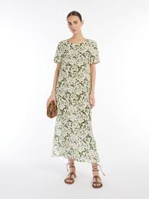 | GIUDY 5221215206 | Vestido | 004 | 1200250184VRD42 | VRD | 42 | 1 | 166 € | 431 € | 431 €
WEEKEND 2U |  | DANIELA 5341013106 | Casaco Malha | 012 | 0320246072RSAM | RSA | M | 1 | 85 € | 220 € | 220 €
WEEKEND 2U |  | DANIELA 5341013106 | Casaco Malha | 012 | 0320246072RSAXS | RSA | XS | 1 | 85 € | 220 € | 220 €
WEEKEND 2U |  | DANIELA 5341024206 | Casaco malha | 013 | 0320248033LJAL | LJA | L | 1 | 91 € | 237 € | 237 €
WEEKEND 2U |  | DANIELA 5341024206 | Casaco malha | 013 | 0320248033LJAM | LJA | M | 1 | 91 € | 237 € | 237 €
WEEKEND 2U |  | DANIELA 5341024206 | Casaco malha | 013 | 0320248033LJAM | LJA | M | 1 | 91 € | 237 € | 237 €
WEEKEND 2U |  | SION2 5541104506 | Echarpe | 002 | 1830248153BJCUN | BJC | UN | 1 | 38 € | 99 € | 99 €
WEEKEND 2U |  | CERTO 5521073406 | Alpargatas | 001 | 2033246004CRU37 | CRU | 37 | 1 | 80 € | 209 € | 209 €
WEEKEND 2U |  | GINECEO 5131073106 | Calça | 057 | 0700246170LIL44 | LIL | 44 | 1 | 63 € | 163 € | 163 €
WEEKEND 2U |  | GINECEO 5131073106 | Calça | 057 | 0700246170LIL40 | LIL | 40 | 1 | 63 € | 163 € | 163 €
WEEKEND 2U |  | VPILARD 5522093406 | Sandálias | 003 | 2010246067PRT39 | PRT | 39 | 1 | 60 € | 157 € | 157 €
WEEKEND 1U |  | VISIVO 5131045106 | Calça | 006 | 0700250008VRC40 | VRC | 40 | 1 | 81 € | 212 € | 212 €
WEEKEND INSERIMENTO |  | ASSUAN1234 5221025306 | Vestido | 001 | 1200250167BRN36 | BRN | 36 | 1 | 212 € | 551 € | 551 €
WEEKEND 2U |  | DIRCE 5221184206 | Vestido | 033 | 1200248123BRN40 | BRN | 40 | 1 | 170 € | 441 € | 441 €
WEEKEND 2U |  | VICARIO 5041084206 | Casaco | 003 | 1000248034BJE36 | BJE | 36 | 1 | 144 € | 375 € | 375 €
WEEKEND 1U |  | TRACIA 5146034106 | Calça | 006 | 0700248302AML38 | AML | 38 | 1 | 77 € | 200 € | 200 €
WEEKEND 1U |  | NAZIONE 5366074106 | Top | 001 | 0431248096BRNXS | BRN | XS | 1 | 55 € | 142 € | 142 €
WEEKEND 1U |  | MOLO 5111144106 | Camisa | 001 | 0400248004BRN40 | BRN | 40 | 1 | 86 € | 222 € | 222 €
WEEKEND 2U |  | DONALD 5221015206 | Vestido | 004 | 1200250113PER38 | PER | 38 | 1 | 111 € | 288 € | 288 €
WEEKEND 2U |  | PAPAILE 5041013106 | Blazer | 001 | 0920246058PER36 | PER | 36 | 1 | 136 € | 353 € | 353 €
WEEKEND 1U |  | VALDA 5046043906 | Blazer | 006 | 0920246104AZC36 | AZC | 36 | 1 | 140 € | 363 € | 363 €
WEEKEND INSERIMENTO |  | VALDA 5111014306 | Camisa | 015 | 0400248054PER36 | PER | 36 | 1 | 86 € | 222 € | 222 €
WEEKEND 2U |  | VICARIO 5041084206 | Casaco | 003 | 1000248034BJE38 | BJE | 38 | 1 | 144 € | 375 € | 375 €
WEEKEND 2U |  | VIRGIN 5306024206 | Saia | 011 | 1310248176BJEL | BJE | L | 1 | 97 € | 251 € | 251 €
WEEKEND 2U |  | NABULUS 5141025206 | Calção | 006 | 0760250009MAR40 | MAR | 40 | 1 | 73 € | 190 € | 190 €
WEEKEND 2U |  | EPSILON 5341025206 | Casaco Malha | 018 | 0320250033BJSM | BJS | M | 1 | 127 € | 329 € | 329 €
WEEKEND 2U |  | BALOCCO 5221085206 | Vestido | 001 | 1200250109BRN38 | BRN | 38 | 1 | 111 € | 288 € | 288 €
WEEKEND 1U |  | LINZ 5361165106 | Camisola Dec.Rente | 005 | 0360250003VRDM | VRD | M | 1 | 70 € | 183 € | 183 €
WEEKEND 2U |  | RAGUSA 5231015206 | Vestido | 005 | 1200250122PER38 | PER | 38 | 1 | 233 € | 606 € | 606 €
WEEKEND 1U |  | GEO 5111053706 | Camisola | 066 | 0360246032LJA40 | LJA | 40 | 1 | 98 € | 255 € | 255 €
WEEKEND 2U |  | DIRCE 5221184206 | Vestido | 033 | 1200248123BRN36 | BRN | 36 | 1 | 170 € | 441 € | 441 €
WEEKEND 2U |  | DIRCE 5221184206 | Vestido | 033 | 1200248123BRN36 | BRN | 36 | 1 | 170 € | 441 € | 441 €
WEEKEND 2U |  | MITICO 5221135206 | Vestido | 004 | 1200250119BJE36 | BJE | 36 | 1 | 94 € | 244 € | 244 €
WEEKEND INSERIMENTO |  | BACCA 5041014306 | Casaco | 013 | 1000248035CTO40 | CTO | 40 | 1 | 140 € | 365 € | 365 €
WEEKEND INSERIMENTO |  | BACCA 5041014306 | Casaco | 013 | 1000248035CTO42 | CTO | 42 | 1 | 140 € | 365 € | 365 €
WEEKEND SIGNATURE |  | SASIA 5366024606 | Camisola | 005 | 0360248623CMLM | CML | M | 1 | 134 € | 349 € | 349 €
WEEKEND INSERIMENTO |  | AFFARI1234 5221014306 | Vestido | P97 | 1200248134PER44 | PER | 44 | 1 | 94 € | 244 € | 244 €
WEEKEND 2U |  | AGAPE 5131145206 | Calça | 001 | 0700250138BJE36 | BJE | 36 | 1 | 81 € | 212 € | 212 €
WEEKEND 2U |  | AGAPE 5131145206 | Calça | 001 | 0700250138BJE40 | BJE | 40 | 1 | 81 € | 212 € | 212 €
WEEKEND SIGNATURE |  | MAGIA 5161015606 | Top | 002 | 0431250023AZL42 | AZL | 42 | 1 | 65 € | 168 € | 168 €
WEEKEND 2U |  | MITICO 5221135206 | Vestido | 004 | 1200250119BJE36 | BJE | 36 | 1 | 94 € | 244 € | 244 €
WEEKEND 1U |  | TADDEO 5941035106 | Blusa | 001 | 0455250004BRNM | BRN | M | 1 | 72 € | 187 € | 187 €
WEEKEND 2U |  | VICARIO 5041084206 | Casaco | 003 | 1000248034BJE40 | BJE | 40 | 1 | 144 € | 375 € | 375 €
WEEKEND 2U |  | AGAPE 5131145206 | Calça | 001 | 0700250138BJE36 | BJE | 36 | 1 | 81 € | 212 € | 212 €
WEEKEND 2U |  | AGAPE 5131145206 | Calça | 001 | 0700250138BJE38 | BJE | 38 | 1 | 81 € | 212 € | 212 €
WEEKEND INSERIMENTO |  | AFFARI1234 5221014306 | Vestido | 001 | 1200248134PER42 | PER | 42 | 1 | 94 € | 244 € | 244 €
WEEKEND 2U |  | ALMINA 5116014206 | Blusa | 016 | 0455248260VRD40 | VRD | 40 | 1 | 102 € | 265 € | 265 €
WEEKEND 2U |  | CANDIDA 5041073106 | Jaqueta | 005 | 1000246048RSA38 | RSA | 38 | 1 | 98 € | 255 € | 255 €
WEEKEND 1U |  | VITE 5131043706 | Calça | 025 | 0700246104PER40 | PER | 40 | 1 | 63 € | 163 € | 163 €
WEEKEND 2U |  | ERIK 5221103106 | Vestido | 005 | 1200246224RSA36 | RSA | 36 | 1 | 106 € | 277 € | 277 €
WEEKEND 2U |  | BALOCCO 5221085206 | Vestido | 001 | 1200250109BRN40 | BRN | 40 | 1 | 111 € | 288 € | 288 €
WEEKEND 2U |  | BALOCCO 5221085206 | Vestido | 001 | 1200250109BRN36 | BRN | 36 | 1 | 111 € | 288 € | 288 €
WEEKEND 1U |  | LARINGE 5111153706 | Camisa | 001 | 0400246027BRNL | BRN | L | 1 | 69 € | 178 € | 178 €
WEEKEND 2U |  | VICARIO 5041084206 | Casaco | 003 | 1000248034BJE36 | BJE | 36 | 1 | 144 € | 375 € | 375 €
WEEKEND INSERIMENTO |  | VALDA 5111014306 | Camisa | 015 | 0400248054PER38 | PER | 38 | 1 | 86 € | 222 € | 222 €
WEEKEND 1U |  | BIACCO 5916044106 | Sweat-Shirt | 002 | 0470248025CZAS | CZA | S | 1 | 67 € | 175 € | 175 €
WEEKEND 1U |  | PLUTONE 5131065106 | Calça | 004 | 0700250004PRT40 | PRT | 40 | 1 | 86 € | 223 € | 223 €
WEEKEND 1U |  | PLUTONE 5131065106 | Calça | 004 | 0700250004PRT42 | PRT | 42 | 1 | 86 € | 223 € | 223 €
WEEKEND 1U |  | PLUTONE 5131065106 | Calça | 004 | 0700250004PRT38 | PRT | 38 | 1 | 86 € | 223 € | 223 €
WEEKEND 1U |  | DCANON 5136203906 | Calça | 008 | 0700246460MAR42 | MAR | 42 | 1 | 51 € | 132 € | 132 €
WEEKEND 2U |  | NABULUS 5141025206 | Calção | 006 | 0760250009MAR34 | MAR | 34 | 1 | 73 € | 190 € | 190 €
WEEKEND 2U |  | ELICA 5141034206 | Calçao | 009 | 0760248009MAR38 | MAR | 38 | 1 | 69 € | 178 € | 178 €
WEEKEND 2U |  | ELICA 5141034206 | Calçao | 009 | 0760248009MAR36 | MAR | 36 | 1 | 69 € | 178 € | 178 €
WEEKEND 2U |  | ELICA 5141034206 | Calçao | 009 | 0760248009MAR38 | MAR | 38 | 1 | 69 € | 178 € | 178 €
WEEKEND 2U |  | ELICA 5141034206 | Calçao | 009 | 0760248009MAR36 | MAR | 36 | 1 | 69 € | 178 € | 178 €
WEEKEND 2U |  | NABULUS 5141025206 | Calção | 006 | 0760250009MAR40 | MAR | 40 | 1 | 73 € | 190 € | 190 €
WEEKEND 2U |  | NABULUS 5141025206 | Calção | 006 | 0760250009MAR38 | MAR | 38 | 1 | 73 € | 190 € | 190 €
WEEKEND 2U |  | RAGUSA 5231015206 | Vestido | 005 | 1200250122PER44 | PER | 44 | 1 | 233 € | 606 € | 606 €
...

